E1-1
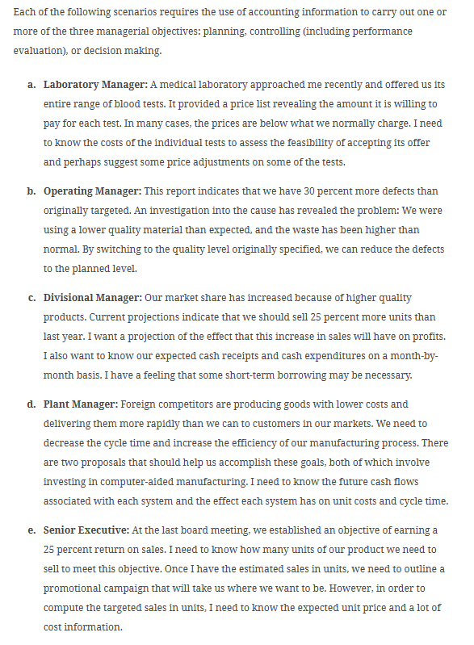
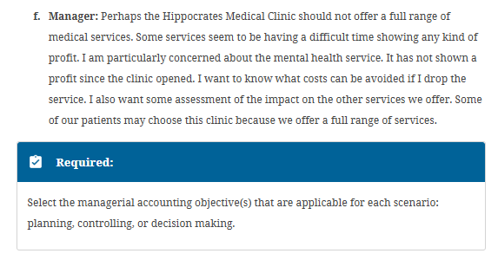
Exercise 1-1, The Managerial Process

E1-2
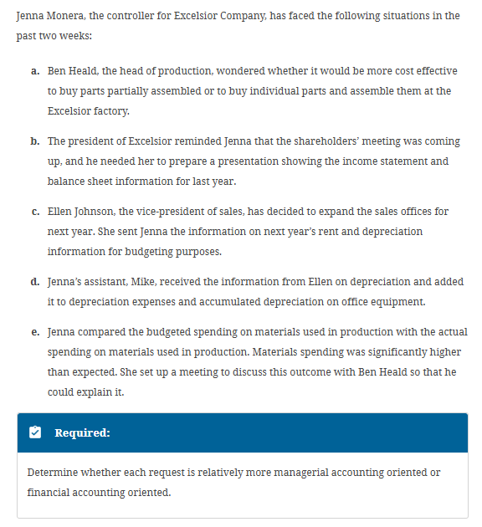
Exercise 1-2, Differences between Managerial Accounting and Financial Accounting

